SLICER
SLICERS

DASHBOARD
BIKE SALE ANALYIS
Cars of Owners
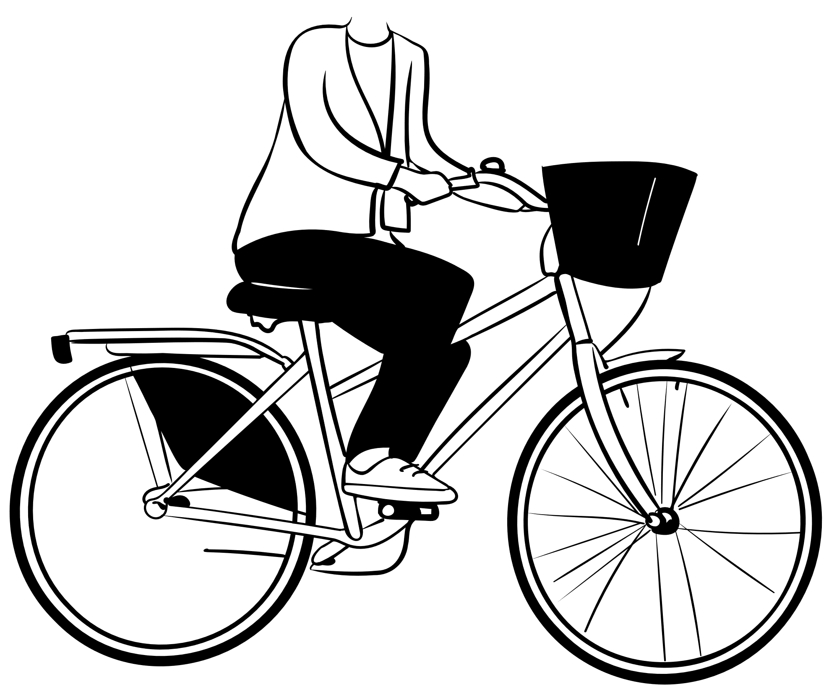
Genders

1442
1000

MARITIAL STATUS OF CUSTOMERS
 | Total
M | 538
S | 462
Average Income of Different regions on the basis of occupation
 | Clerical | Management | Manual | Professional | Skilled Manual
Europe | 31652.173913 | 95625 | 17352.941176 | 107567.56757 | 45000
North America | 32972.972973 | 84074.074074 | 15000 | 67371.428571 | 52880.434783
Pacific | 25600 | 89387.755102 | 12307.692308 | 77343.75 | 50731.707317
CARS OWNED BY CUSTOMERS
 | Total
Bachelors | 435
Graduate Degree | 126
High School | 332
Partial College | 392
Partial High School | 157

CUSTOMER COMMUTE
 | 0-1 Miles | 10+ Miles | 1-2 Miles | 2-5 Miles | 5-10 Miles
F | 192 | 52 | 85 | 79 | 81
M | 174 | 59 | 84 | 83 | 111
maximum childrens of customers having varying income
 | Total
$10,000.00 | 5
$20,000.00 | 5
$30,000.00 | 5
$40,000.00 | 5
$50,000.00 | 4
$60,000.00 | 5
$70,000.00 | 5
$80,000.00 | 5
$90,000.00 | 5
$1,00,000.00 | 5
$1,10,000.00 | 5
$1,20,000.00 | 4
$1,30,000.00 | 5
$1,50,000.00 | 3
$1,60,000.00 | 4
$1,70,000.00 | 5
MAXIMUM CHILDRENS OF CUSTOMERS
 | Total
$10,000.00 | 5
$20,000.00 | 5
$30,000.00 | 5
$40,000.00 | 5
$50,000.00 | 4
$60,000.00 | 5
$70,000.00 | 5
$80,000.00 | 5
$90,000.00 | 5
$1,00,000.00 | 5
$1,10,000.00 | 5
$1,20,000.00 | 4
$1,30,000.00 | 5
$1,50,000.00 | 3
$1,60,000.00 | 4
$1,70,000.00 | 5

